Narrative Notes + Flowcharts
FLOWCHARTS

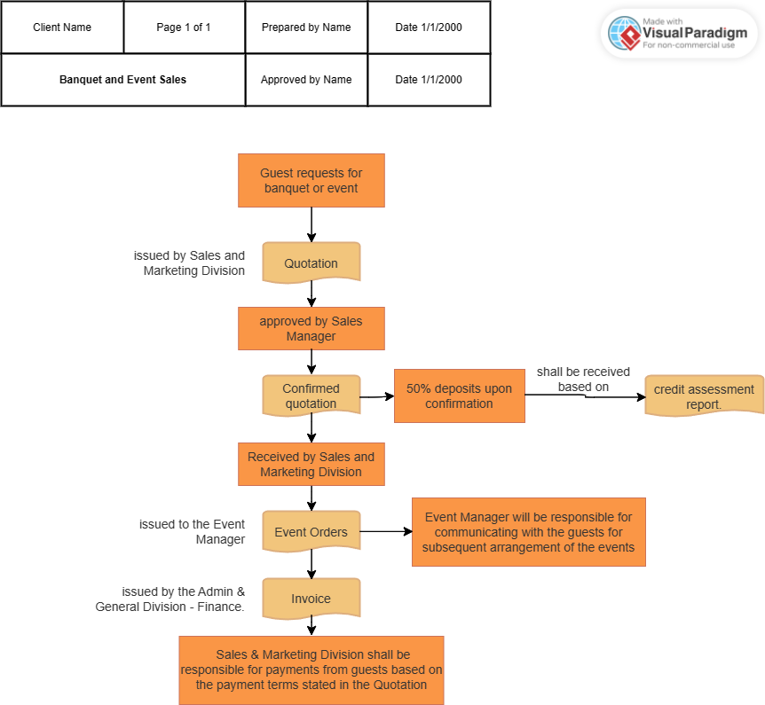

NARRATIVE NOTES
DATE: 13 Jun 2023
Location: ST City Hotel, Banquet and Event Sales Department.

Objective: To assess the effectiveness of sales controls and identify potential risks or deficiencies.

Observation:
1. Upon receiving request from guests, Quotation will be issued by Sales and Marketing Division.
2. The quotation will be approved by Sales Manager.
3. 50% of the deposits will be made upon confirmation.
4. When Sales and Marketing receives the confirmed quotation, Event Orders shall be issued to the Event Manager.
5. Booking fees received based on credit assessment report.
6. Invoice will be issued by the Admin & General Division – Finance.
7. Event Manager will be responsible for communication with the guests for subsequent arrangement of the events.
8. Sales & Marketing Division will be responsible for payments from guests based on the payment terms stated in the Quotation.

Recommendations:
1. Another copy of sales invoices should be produced and sent to Sales and Marketing Division to ensure completeness of records.
2. Once a quotation has been confirmed, it should also be notified to the Admin & General Division to ensure invoice can be issued in a timely manner.

Walk-through Test
Walk-Through Test
Forward Sample

 | Ordering |  | Processing |  |  | Invoicing |  | Recording
1 | Sales department will issue a sales quotation (4346073) upon request and it will be sent to the sales manager for approval. | 4 | An event order will be generated by the event manager |  | 6 | Verify that sales & marketing department sends the confirmed quotation (4346073) to the finance department | 9 | Provide sample payment from guest based on payment terms stated in quotation

 |  | 5 | Copy of the event order will be sent to the guest and sent to the finance department. |  |  |  | 10 | Verify that the sales & marketing department receives the payment
2 | 50% of the deposits by the guest to confirm the quotation can be reflected in the bank statement and receipt of the payment. |  |  |  | 7 | Confirm that the finance department receives the confirmed quotation
 |  |  |  |  |  |  | 11 | Observe the sales & marketing recording & processing the payment to ensure it is done correctly.
 |  |  |  |  | 8 | Verify that the finance department issues an invoice (B1800303) based on the confirmation quotation
3 | Copy of the confirmed sales quotation will be sent to the event manager.

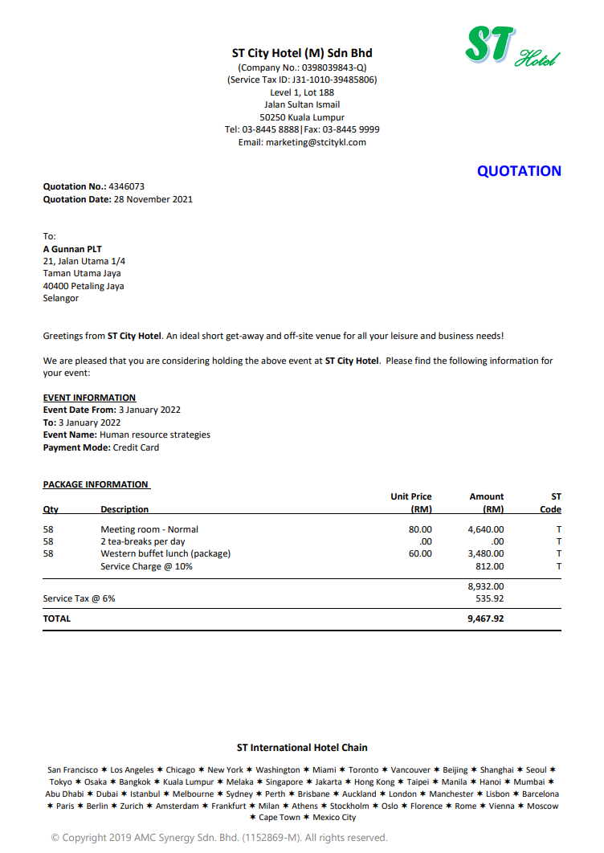
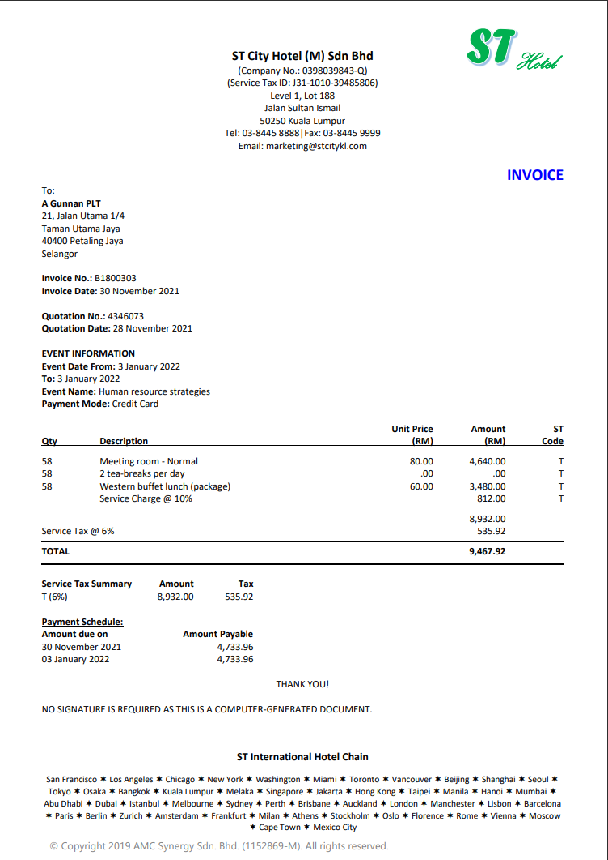

 |  |  |  | 6

Backward Sample
 | Recording |  | Invoicing |  |  | Processing |  | Ordering
1 | Provide a sample payment from a guest, checking with payment terms stated in quotation | 4 | Verify that finance department issues an invoice (B1800304) based on confirmed quotation |  | 6 | Provide confirmed quotation to sales & marketing department | 8 | Provide sample quotation to the Sales Manager

2 | Verify that sales & marketing department receives the payment | 5 | Confirm that finance department accurately records the detail of invoices. |  | 7 | Verify that sales & marketing department receives the quotation (4347602) | 9 | Verify that the sales manager approves the quotation

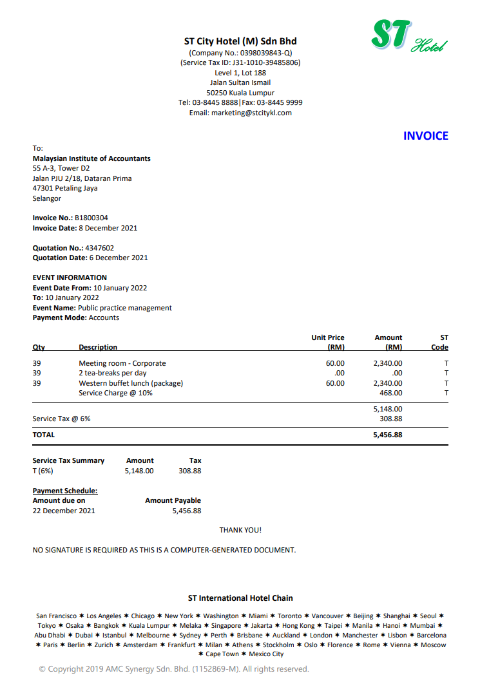
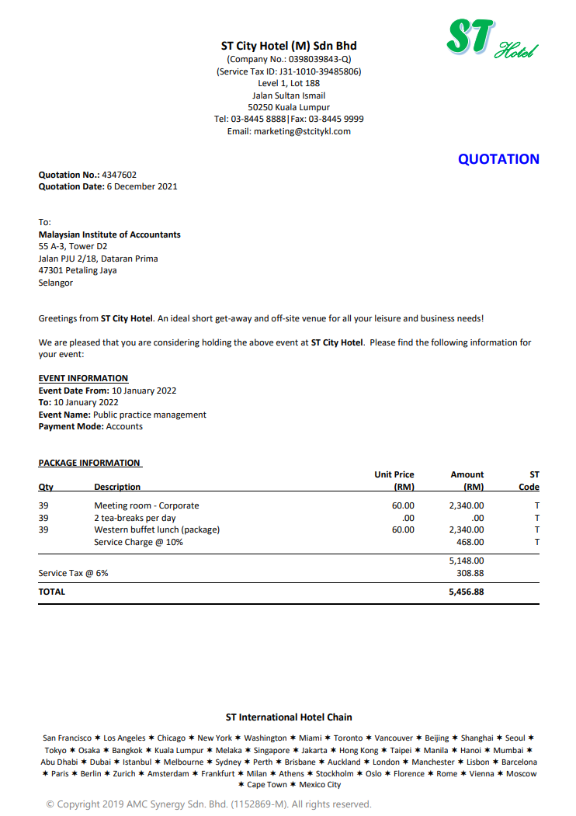
3 | Confirm that sales & marketing department accurately records the payment |  |  |  |  |  | 10 | Confirm that sales manager accurately records the approved quotation

